Various Terminalogy
LINEAR REGRESSION VS LOGARATHMIC REGRESSION VS LOGISTIC REGRESSION

Various Terminalogy Required For Matplotlib Advanced | REFERENCE

⇰What is Logarathmic Function ? ❶ Logarithmic regression is a type of regression used to model situations where growth or decay accelerates rapidly at first and then slows over time.For example, the following plot demonstrates an example of logarithmic decay. ❷ Basically in Other Word A function that increases or decreases rapidly at first, but then steadily slows as time moves, can be called a logarithmic function.For example, we can say that the number of cases of the ongoing COVID-19 pandemic follows a logarithmic pattern, as the number of cases increased very fast in the beginning and are now slowing a bit. ❸ Many Natural real world system have carrying capacity or natural limiting factor . You can see that the logarithmic curve is the one on top that is slowly growing exponentially and the logistic curve tends to level off.So the question arises, why do we have this need for modeling purposes of the logistic function versus the previously known logarithmic function? If you actually plot out the sigmoid or logistic function, you can see the behavior shown here where we get this curve and eventually a leveling off basically like S shaped Curve Instead of Exponential or Logarathmic regression. So clearly a logistic function itself can be really useful for modeling the systems that have this carrying capacity or natural limiting set of factors. | ⇰REFERENCE (Website)-->Medium Regarding Definition of Logarathmic Regression & Practical Example (Coding ) of Logarathmic Regression

 | ⇰REFERENCE (Website)--> Statology Regarding A Comprehensive Guide To Logarithmic Regression

 | ⇰REFERENCE (Website)-->Google Colab Supervised Learning (1.7) Logistic Regression Regarding Definition of Logarathmic Regression & It's Definition & Overall Explanation

⇰What is Linear Regression ? ❶ Linear regression analysis is used to predict the value of a variable based on the value of another variable. The variable you want to predict is called the dependent variable. The variable you are using to predict the other variable's value is called the independent variable. ❷ This form of analysis estimates the coefficients of the linear equation, involving one or more independent variables that best predict the value of the dependent variable. Linear regression fits a straight line or surface that minimizes the discrepancies between predicted and actual output values. There are simple linear regression calculators that use a “least squares” method to discover the best-fit line for a set of paired data. You then estimate the value of X (dependent variable) from Y (independent variable).
 | ⇰REFERENCE (Website)-->IBM Regarding Meaning of Linear Regression

 | ⇰REFERENCE (Website)-->Super Vised Learning Google Colab (1.1 )(Linear Regression) Regarding Thereotical & Practical Implementation of Linear Regression

⇰What is Logistic Regression ? ❶Many Natural real world system have carrying capacity or natural limiting factor. ❷You can see that the logarithmic curve is the one on top that is slowly growing exponentially and the logistic curve tends to level off.So the question arises, why do we have this need for modeling purposes of the logistic function versus the previously known logarithmic function? If you actually plot out the sigmoid or logistic function, you can see the behavior shown here where we get this curve and eventually a leveling off basically like S shaped Curve Instead of Exponential or Logarathmic regression. So clearly a logistic function itself can be really useful for modeling the systems that have this carrying capacity or natural limiting set of factors. | ⇰REFERENCE (Website)--> Super Vised Learning 1.7 Google Colab (Logistic Regression) Regarding Thereotical & Practical Implementation of Logistic Regression

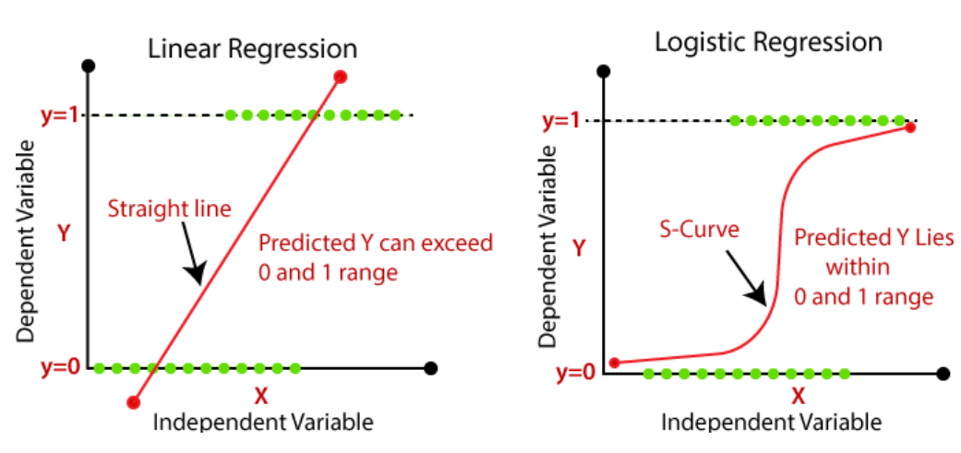 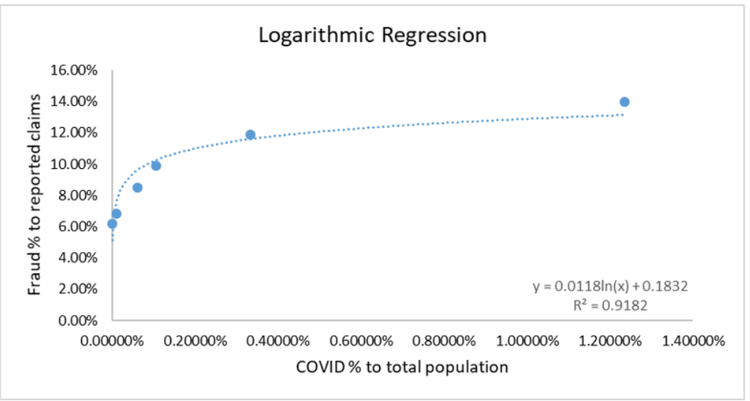 | ⇰REFERENCE (Website)--> Java T Point Regarding Difference in Between Logistic & Linear Regression

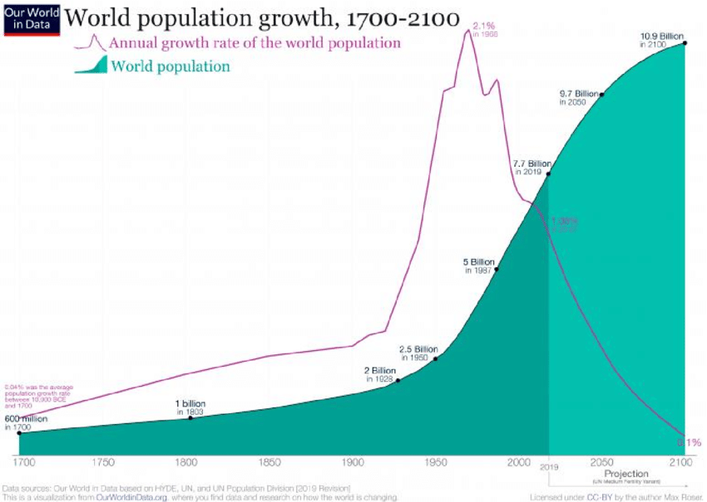 ❶LOGISTIC REGRESSION

Hyper Param for Matplotlib(Adv)
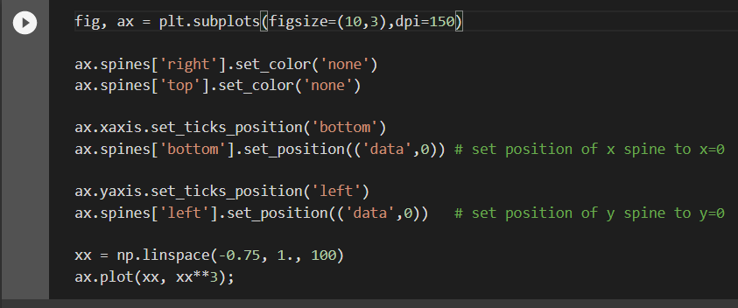
MATPLOTLIB ADVANCED (Hyper Parameter) |  | REFERENCE

⇰Axes.set_xscale(value:{"linear", "log", "logit", ...}, **kwargs) ⇰Axes.set_yscale(value : {"linear" , "log", "logit",...}**kwargs) ❶The Axes.set_xcale() & Axes.set_yscale() function in axes module of matplotlib library is used to set the y-axis scale & x-axis Scale. ❷Basically in Other word Each of the axes' scales are set separately using `set_xscale` and `set_yscale` methods which accept one parameter (with the value "log , linear ,logit" in this case) (logit means Logistic) & The Main Advantage is That Putting Log Scale Help Consolidate & Scaling Exponential Data & Provide Assistance in Plotting them on Cartesian Plane (2 Dimensional (X,Y)) |  | ⇰REFERENCE (Website)-->Matplotlib Regarding Parameter Axes.set_xscale()

 |  | ⇰REFERENCE (Website)-->Matplotlib Regarding Parameter Axes.set_yscale()

❸ So for that Purpose Various Parameter (value:{"linear", "log", "logit", ...} 's All thereotical & Practical definition defined in Preceding Worksheet (Various Terminalogy) ( Like what is Linear , Logistic ,Logarathmic Curve 's Meaning & Plotting them on 2 Dimensional Cartesian Plane Look Like (Obviously in Matplotlib) |  | ⇰REFERENCE (Website)--> Geeks for Geeks Regarding Parameter Axes.set_yscale()

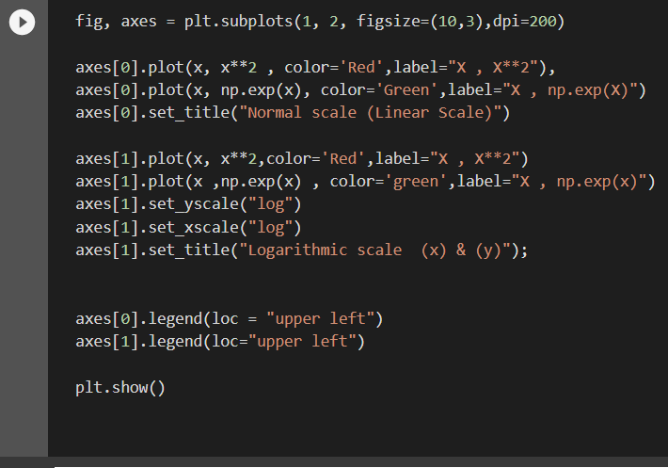 |  | ⇰REFERENCE (Website)--> Geeks for Geeks Regarding Parameter Axes.set_xscale()

 |  | ⇰REFERENCE (Website)--> Super Vised Learning Google Colab (1.4) Matplotlib Advanced Regarding Parameter Axes.set_xscale() & Axes.set_yscale()

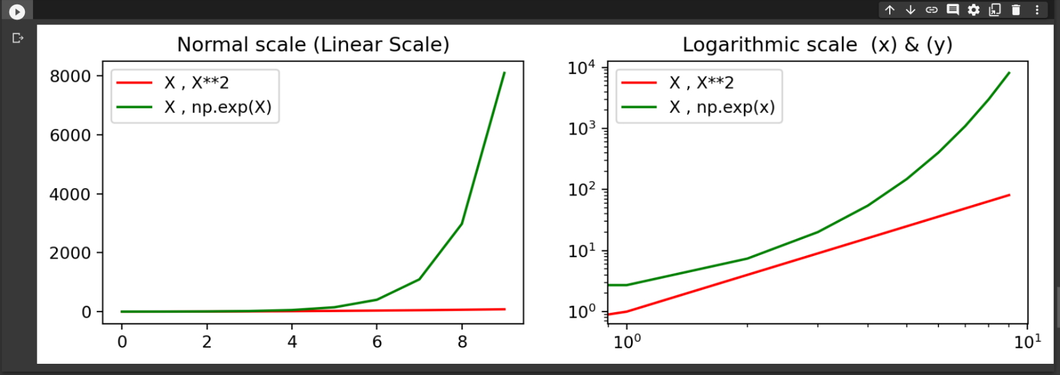

⇰axes[0][0].set_xlabel (self, xlabel, fontdict=None, labelpad=None) Set the label for the x-axis for the axes . |  | ⇰REFERENCE (Excel Sheet)-->Param Label Pad Regarding Space Creation in between (Axis Label & Axis Number)

⇰axes[0][0].set_ylabel (self, xlabel, fontdict=None, labelpad=None) Set the Label for the y-Axis for the axes.

⇰(REMEMBER) Hyper Parameter ```labelpad``` used with set_xlabel & set_ylabel (Manipulating Spacing Between Axis number and axis label Spacing) |  | ⇰REFERENCE (Website)-->Matplotlib Regarding axes.set.xlabel()

⇰labelpad(None)-->Spacing in points from the axes bounding box including ticks and tick labels. (Excel Link Attached) |  | ⇰REFERENCE (Website)-->W3School Regarding How to increase plt.title,plt.xlabel,plt.ylabel font size?

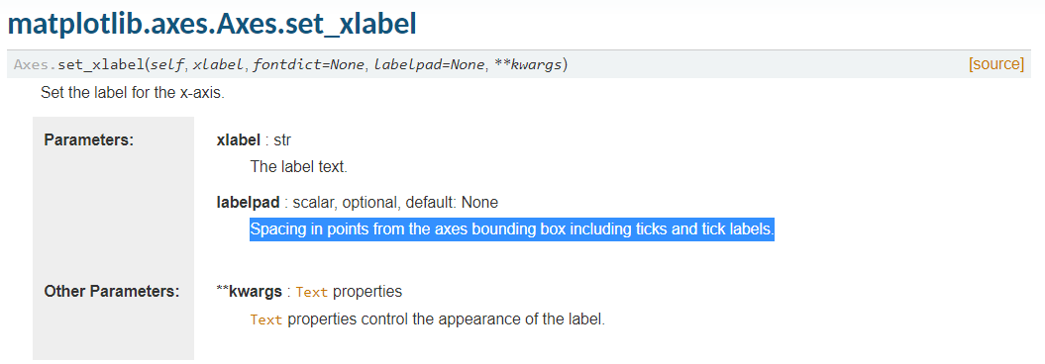 |  | ⇰REFERENCE (Website)--> W3School Regarding How to Increase plt.title, plt.xlabel,plt.ylabel , font size

 |  | ⇰REFERENCE (Website)-->Matplotlib Regarding Parameter Labelpad (Basically Adjusting or Customizing Spacing in Between Axis Number & Axis Label)

→PRACTICAL IMPLEMENTATION OF Practical Implementation if X ticks & Yticks are not properly scaled up Acc to Other Axis Then No Matter Subplot_adjust & plt.tight_layout() parameter willnot gonna help

 |  | ⇰REFERENCE (Website)-->1.4 Google Colab (Visualisation) Matplotlib Advanced (Additional Matplotlib Command ) Regarding Parameter Labelpad (Basically Adjusting or Customizing Spacing in Between Axis Number & Axis Label)
 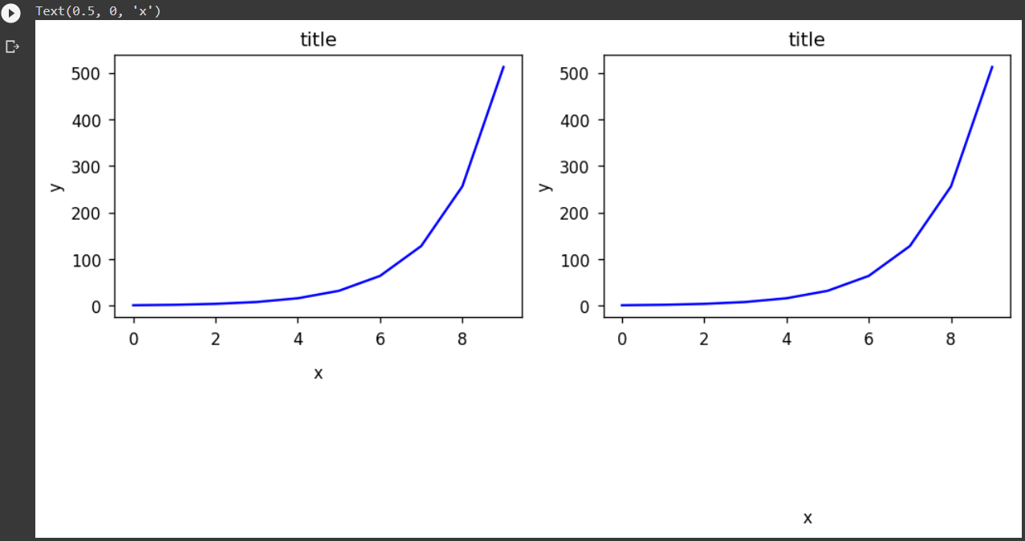

⇰plt.grid(visible=None, which='major', axis='both', **kwargs**) →Configure the grid lines. ❶ visible: bool or None, optional →Whether to show the grid lines. If any kwargs are supplied, it is assumed you want the grid on and visible will be set to True.If visible is None and there are no kwargs, this toggles the visibility of the lines. ❷which: {'major', 'minor', 'both'}, optional →The grid lines to apply the changes on. ❸kwargs: Line2D properties →Define the line properties of the grid, e.g Matplotlib Grid 'Screenshot Attached & Subplot(2*2) With Different Computation of Parameter To Create Default & Custom Grid Appearance |  | ⇰REFERENCE (Website)--> 1.4 (Google Colab) Matplotlib Advanced Regarding Parameter plt.grid()

 |  | ⇰REFERENCE (Website)--> Matplotlib (Keyword Arguments Regarding All Matplotlib Line2D Properties

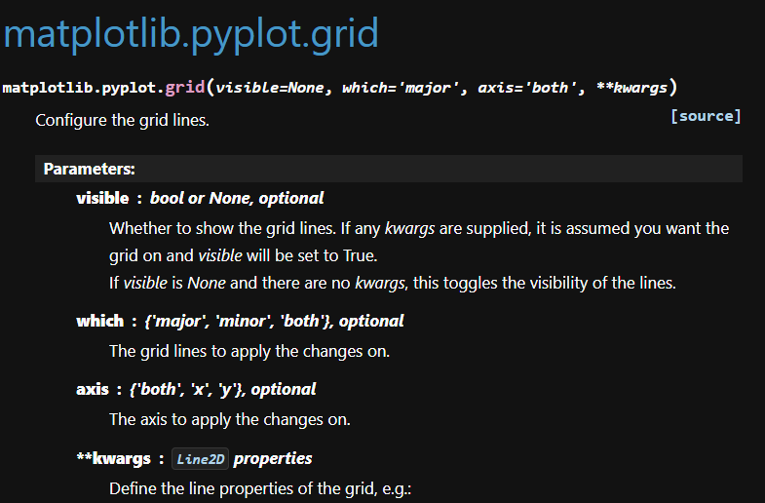 |  | ⇰REFERENCE (Website)-->W3School Regarding Parameter (Adding Grid Lines)

 |  | ⇰REFERENCE (Website)-->Matplotlib Regarding Parameter plt.grid)

 |  | ⇰REFERENCE (Website)-->Geeks for Geeks Regarding plt.grid()

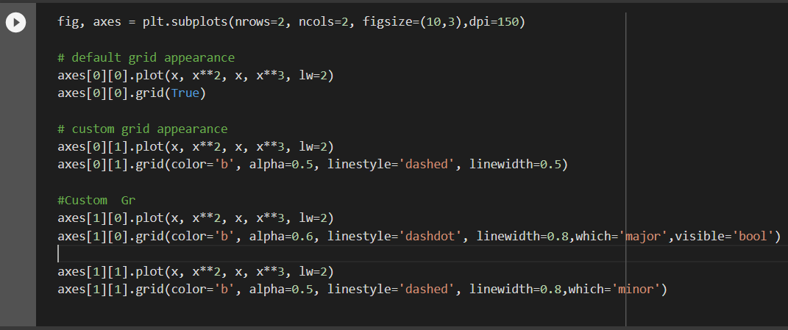 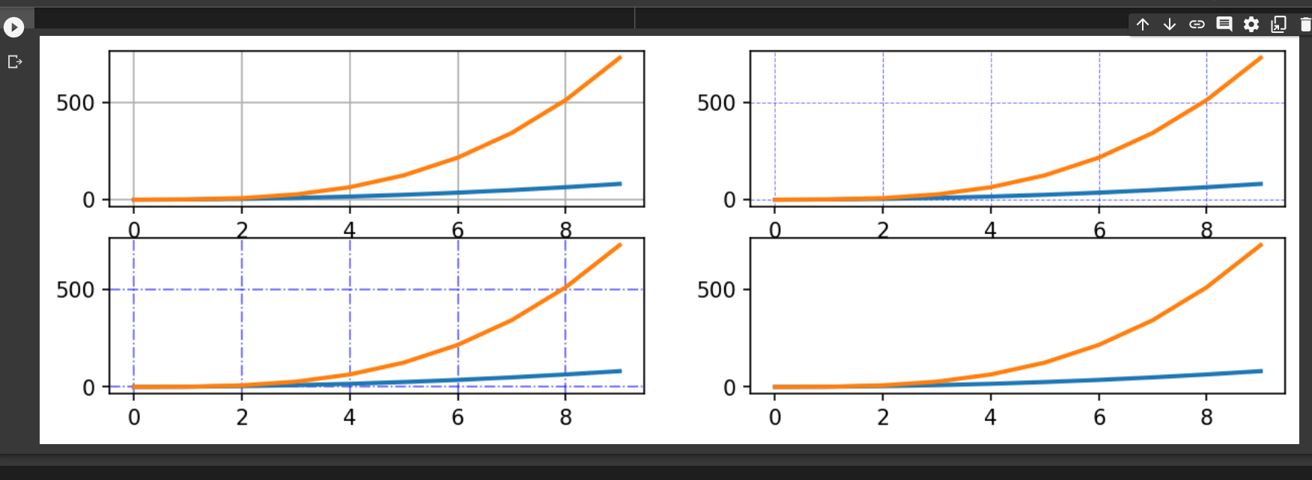

⇰ax.spines.Spine(axes, spine_type, path, **kwargs) →An axis spine -- the line noting the data area boundaries.Spines are the lines connecting the axis tick marks and noting the boundaries of the data area. They can be placed at arbitrary positions. → What is spine in Python? Axis spines are the lines confining the plot area. Depending on the situation, we may want to remove some (or all) of them, change their color, make them less visible, regulate their width/style, or change their position. ❶Spines draw a line, a circle, or an arc depending if function ❷ axes : the Axes instance containing the spine ❸spine_type : a string specifying the spine type ❹path : the path instance used to draw the spine |  | ⇰REFERENCE (Website)-->Matplotlib Regarding Hyper Parameter ax.spines()

 |  | ⇰REFERENCE (Website)-->Matplotlib (Gallery ) Regarding Practical Experimentation on ax.spines()

 |  | ⇰REFERENCE (Website)-->Matplotlib (Old) regarding Practical Implementation & All Sub Parameter for Hyper Parameter ax.spines()

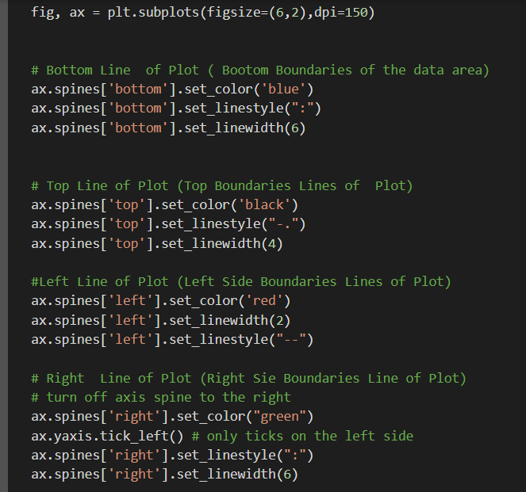

 |  | ⇰REFERENCE (Website)-->Google Colab (Visualization) (1.4) Matplotlib Advanced Regarding Practical Implementation of Parameter ax.spines()

 |  | ⇰REFERENCE (Website)-->Medium (Handling Plot Axis Spines in Python) Regarding Hyper Parameter ax.spines() & Practical Implementation of ax.spines()

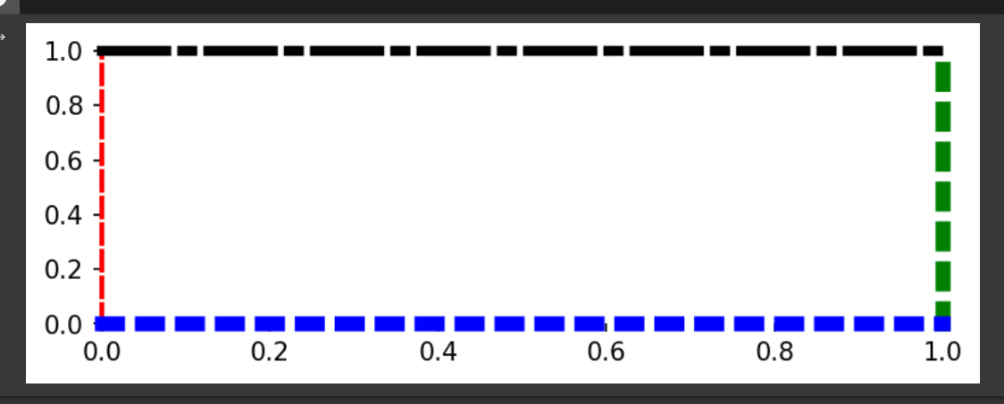

⇰plt.axhline(y=0, xmin=0, xmax=1, **kwargs) →The axhline() function in pyplot module of matplotlib library is used to add a horizontal line across the axis. (Only Horizontal Line Initial Intercept From y axis. →Basically in Simple Word Hyper Parameter plt.axhline() Add a horizontal line across the Axes. ❶ y :float, default: 0 →y position in data coordinates of the horizontal line. ❷xmin : float, default: 0 →Should be between 0 and 1, 0 being the far left of the plot, 1 the far right of the plot. ❸xmax : float, default: 1 →Should be between 0 and 1, 0 being the far left of the plot, 1 the far right of the plot. |  | ⇰REFERENCE (Website)-->Matplotlib Old Regarding Parameter plt.axhline()

 |  | ⇰REFERENCE (Website)-->Matplotlib New Regarding Parameter plt.axhline()

①1st Example Regarding Simple axhline (Where Horizontal Line Intercept from (y axis=10000) |  | ⇰REFERENCE (Website)-->Geeks for Geeks Regarding plt.axhline()

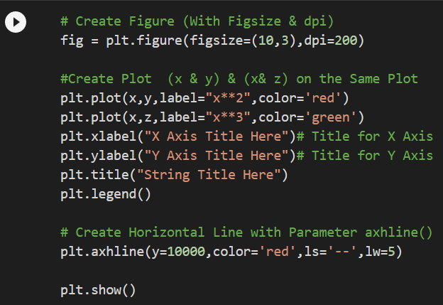

 |  | ⇰REFERENCE (Website)--> Google Colab 1.2 Linear Regression Regarding Practical Implementation or Usage of Parameter plt.axhline()

 |  | ⇰REFERENCE (Website)-->Google Colab (Visualization)1.4 Matplotlib Advanced Regarding Practical Implementation Or Coding of Parameter plt.axhline ()

 |  | ⇰REFERENCE (Website)-->Google Colab (Visualization)1.4 Matplotlib Advanced Regarding Practical Implementation Or Coding of Parameter plt.axhline () Along with Usage of subparam vmax & vmin

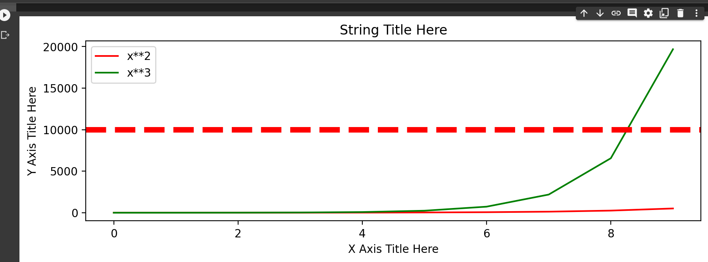

②2nd Example of Axhline In which Horizontal Line is Created with xmin Minimum value falls in between (0 & 1) & Maximum Value falls in between (0 & 1) Here in this example xmin=0.2 & xmax=0.5

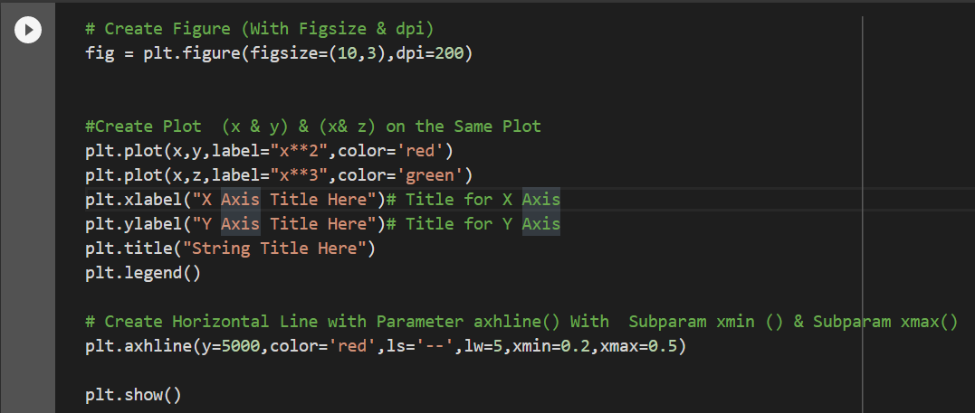

⇰Axes.twinx() |  | ⇰REFERENCE (Website)-->Matplotlib Regarding Parameter Axes.twin(x)

→Create a twin Axes sharing the xaxis.Create a new Axes with an invisible x-axis and an independent y-axis positioned opposite to the original one (i.e. at right). The x-axis autoscale setting will be inherited from the original Axes. →It is considered useful to have dual x or y axes in a figure. Moresoever, when plotting curves with different units together. Matplotlib supports this with the twinxand twiny functions.

 |  | ⇰REFERENCE (Website)-->Tutorial Point Regarding Axes.twin(x)
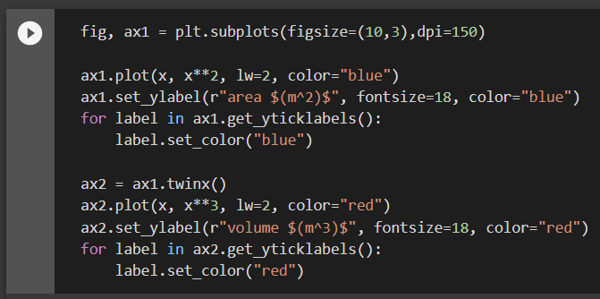 | 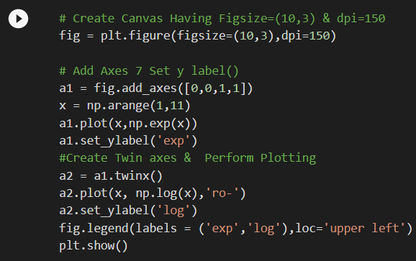

 |  | ⇰REFERENCE (Website)-->Google Colab (Visualization) (1.4) Matplotlib Advanced Regarding Practical Implementation or Usage of Parameter twin(x) (1st Example)

 |  | ⇰REFERENCE (Website)-->Google Colab Visualization (1.4) Matplotlib Advanced Regarding Practical Implementation or Usage of Parameter twin(x) 2nd Example

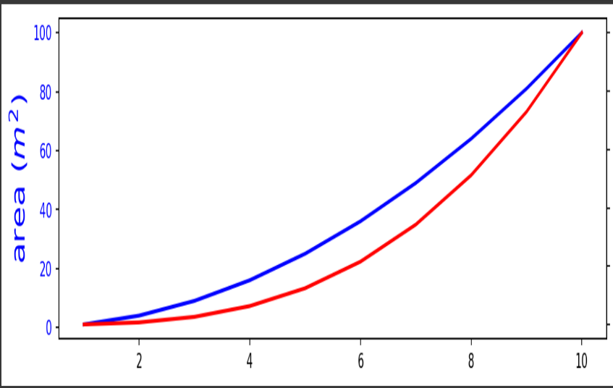 | 

⇰Axes.set_position(pos, which='both') →Set the Axes position. →Axes have two position attributes. The 'original' position is the position allocated for the Axes. The 'active' position is the position the Axes is actually drawn at. These positions are usually the same unless a fixed aspect is set to the Axes. |  | ⇰REFERENCE (Website)-->Matplotlib (Gallery) Regarding Parameter set_position( )

Various 2D(Imp)Subplots & Param
Various Types of Advanced Subplots & Associated Hyper Parameter

①Subplot2grid

⇰plt.subplot2grid(shape, loc, rowspan=1, colspan=1, fig=None, **kwargs) → Create an axis at specific location inside a regular grid. ❶ shape : sequence of 2 integer →Shape of grid in which to place axis. First entry is number of rows, second entry is number of columns.As the name suggests it is used to define the shape of the grid to be plotted within the graph. It is a required argument and is generally passed in as a list or tuple of two numbers which are responsible for the layout of the grid with the first number being the number of rows and the second number as the number of columns. ❷ loc : sequence of 2 ints →Location to place axis within grid. First entry is row number, second entry is column number. This is the second mandatory argument that this function takes. Similar to the shape argument it is also a required argument and is generally passed in as a list or tuple of two numbers. It is used for specifying the row and column number to place the sub-plot. It is also important to note that the indexes start from 0. So (0, 0) would be the cell in the first row and the first column of the grid. ❸rowspan : int →Number of rows for the axis to | ⇰REFERENCE (Website)-->Matplotlib Pyplots Regarding Parameter Subplot2Grid

 | ⇰REFERENCE (Website)-->Geeks For Geeks Regarding Hyper Parameter Subplot2Grid()

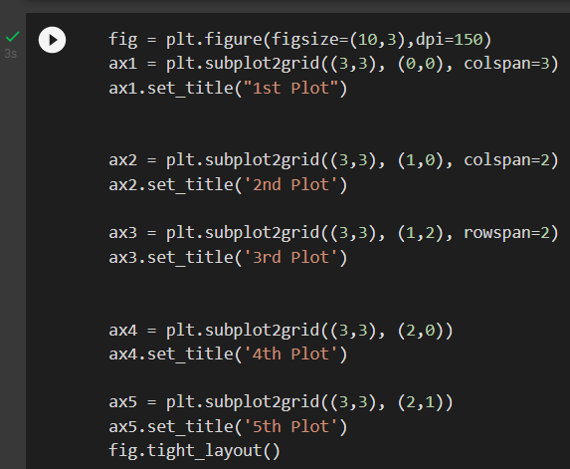 | ⇰REFERENCE 9Website)--> 1.4 Google Colab Matplotlib Advanced (Visualization) Regarding Hyper Parameter plt.subplot()

②gridspec() | ⇰REFERENCE (Website)-->Matplotlib Regarding Hyper Parameter gridpsec()

⇰matplotlib.gridspec.GridSpec(nrows, ncols, figure=None, left=None, bottom=None, right=None, top=None, wspace=None, hspace=None, width_ratios=None, height_ratios=None)

❶left : This parameter is the left side of the subplots of the figure. ❷right : This parameter is the right side of the subplots of the figure. ❸bottom : This parameter is the bottom of the subplots of the figure. ❹top : This parameter is the top of the subplots of the figure. ❺wspace : This parameter is the amount of width reserved for space between subplots expressed as a fraction of the average axis width. ❻hspace : This parameter is the amount of height reserved for space between subplots expressed as a fraction of the average axis height.

⇰nrows, ncols : int, default: 1 →Number of rows/columns of the subplot grid. Basically Think Like (Matrix Basis in Numpy Lesson) Where Various Multiplot (Axes) are Assigned on Canvas (Fig). Let 's Undertstand with Example

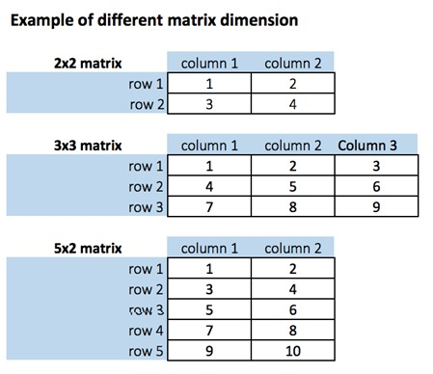

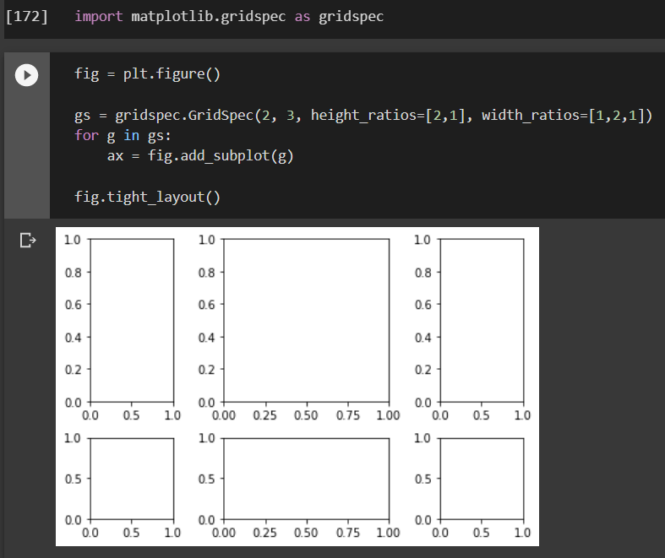 | ⇰REFERENCE (Website)-->Google Colab Visualization 1.4 Matplotlib Advanced Regarding Hyper Parameter plt.grisdpec()

③Piechart() | ⇰REFERENCE (Website)-->W3School Regarding Plot Pie Chart ( )

⇰plt.pie(x, explode=None, labels=None, colors=None, autopct=None, pctdistance=0.6, shadow=False, labeldistance=1.1, startangle=None, radius=None, counterclock=True, wedgeprops=None, textprops=None, center=(0, 0), frame=False, rotatelabels=False, *, data=None)

 | ⇰REFERENCE (Website)-->Tutorial Point Regarding Matplotlib Pie Chart ( )
→Plot a pie chart.Make a pie chart of array x. The fractional area of each wedge is given by x/sum(x). If sum(x) < 1, then the values of x give the fractional area directly and the array will not be normalized. The resulting pie will have an empty wedge of size 1 - sum(x). →A wedge is a triangular shaped Portion Like A piece of Cake in (Δ) Form. The wedges are plotted counterclockwise, by default starting from the x-axis. ❶x : array-like →The wedge sizes. ❷explode : array-like, optional, default: None →If not None, is a len(x) array which specifies the fraction of the radius with which to offset each wedge. Maybe you want one of the wedges to stand out? The explode parameter allows you to do that.The explode parameter, if specified, and not None, must be an array with one value for each wedge.Each value represents how far from the center each wedge is displayed: ❸labels : list, optional, default: None →A sequence of strings providing the labels for each wedge

 | ⇰REFERENCE (Website)--> Matplotlib Old (Version) regarding Plot pie chart ( )

 | ⇰REFERENCE (Website)-->Matplotlib New Version Regarding Plot Pie chart ( ) (Pie Demo2)

 | ⇰REFERENCE (Website)-->Matplotlib New Version Regarding Parameter matplotlib.pyplot.pie

 | ⇰REFERENCE (Website)-->Matplotlib Old Version Regarding Hyper Parameter matplotlib.pyplot.pie()

❼shadow : bool, optional, default: False →Draw a shadow beneath the pie. ❽labeldistance : float or None, optional, default: 1.1 →The radial distance at which the pie labels are drawn. If set to None, label are not drawn, but are stored for use in legend() ❾counterclock : bool, optional, default: True →Specify fractions direction, clockwise or counterclockwise. ❿wedgeprops : dict, optional, default: None →Dict of arguments passed to the wedge objects making the pie. For example, you can pass in wedgeprops = {'linewidth': 3} to set the width of the wedge border lines equal to 3. For more details, look at the doc/arguments of the wedge object. By default clip_on=False. ⓫center : list of float, optional, default: (0, 0) →Center position of the chart. Takes value (0, 0) or is a sequence of 2 scalars. ⓬rotatelabels : bool, optional, default
 | ⇰REFERENCE (Website)-->Matplotlib (Old Version) Regarding Basic pie chart in Matplotlib With all the Basic (Optional) Features

 | ⇰REFERENCE (Website)-->Tutorial Point Regarding Matplotlib Pie Chart ( ) & All it’s Related Hyper Parameters

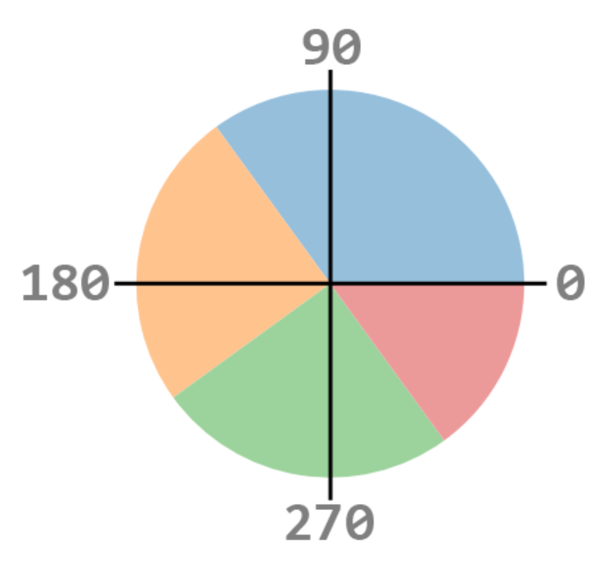 ⓭startangle : float, optional, default: None →If not None, rotates the start of the pie chart by angle degrees counterclockwise from the x-axis.Given =90 degree. | ⇰REFERENCE (Website)-->W3School Regarding Practical Implementation of Hyper Parameter (startangle) Usage in Coding Google Colab 1.4 Matplotlib Advanced

⓮radius : float, optional, default: None →The radius of the pie, if radius is None it will be set to 1.

➡Creation of Pie Chart (Single Plot) Having With Different Hyper Parameter Tuning (Note changing pcrdistance change text position)

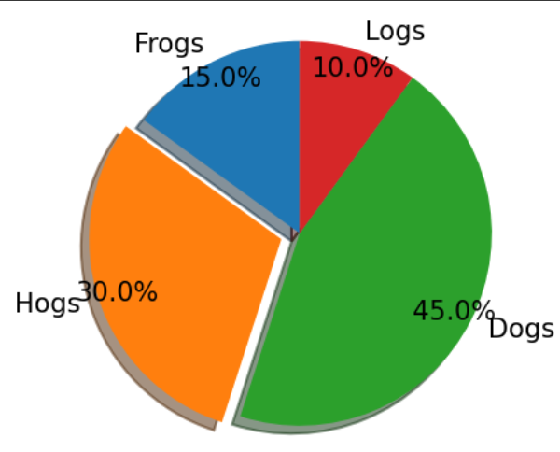 | ⇰REFERENCE (Website)-->Google Colab 1.4 Matplotlib Advanced ( Visualization) Regarding Practical Implementation Coding of Plot (Pie Chart) Having All Hyper Parameter Tuned in it

 | ⇰REFERENCE (Website)-->Google Colab 1.4 Matplotlib Advanced (Visualization) Regarding Practical Implementation Coding of Plot Pie Chart Having (Further Unused Hyper Parameter )Tuned in it

➡C. Creation of Pie Chart Having Multiple Subplot With Different Hyper Parameter Tuning (Note changing pcrdistance change text position) With Example Attached

❶1st Plot →Having Start Angle =90 & Having Shadow of Each & Every Pie & With All Labels with pct distance (Text Distance from Wedge)=0.6. ❷2nd Plot→ (Notice pct distance slashed down from 0.6 to 0.2 That's why they Cluttered at the wedge) & (Given Radius of Pie=0.2 That's why There is Massive gap between each Wedge). ❸3rd Plot→ With All Hyper Parameter Tuned Up With Additional Parameter New Colors & Legend ❹4th Plot→ With All Hyper Parameter Tuned Up With Additional Parameter Legend With Labels | ⇰REFERENCE (Website)-->Google Colab 1.4 Matplotlib Advanced Regarding Creation of Pie Chart ( In Subplot Category Having Different Hyper Parameter Tuned Up)

 | ⇰REFERENCE (Website)-->Tutorial Point Regarding Matplotlib Pie Chart ( ) & All it’s Related Hyper Parameters

 | ⇰REFERENCE (Website)-->W3School Regarding Practical Implementation of Hyper Parameter (startangle) Usage in Coding Google Colab 1.4 Matplotlib Advanced

 | ⇰REFERENCE (Website)-->Matplotlib (Old Version) Regarding Basic pie chart in Matplotlib With all the Basic (Optional) Features

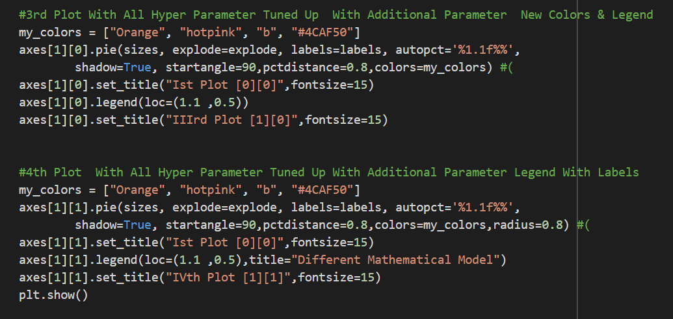

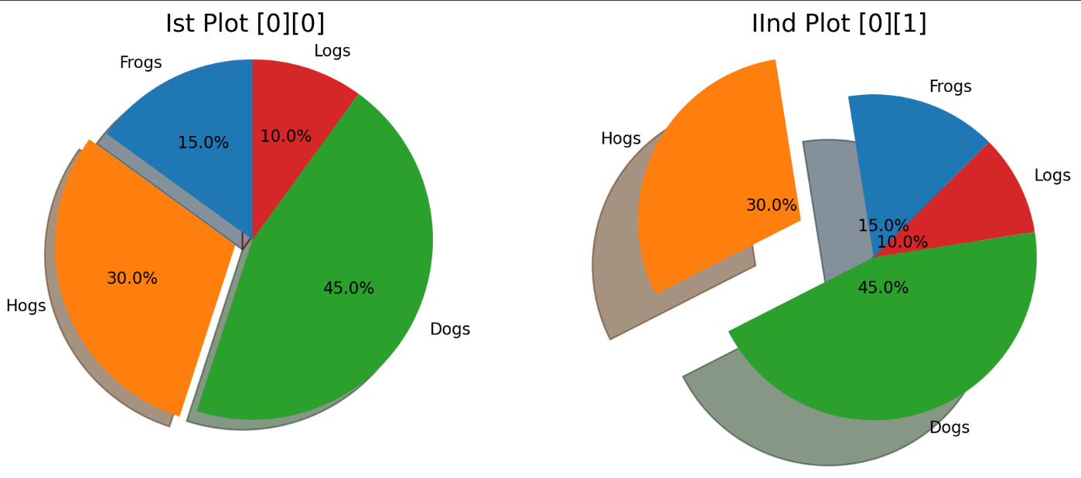

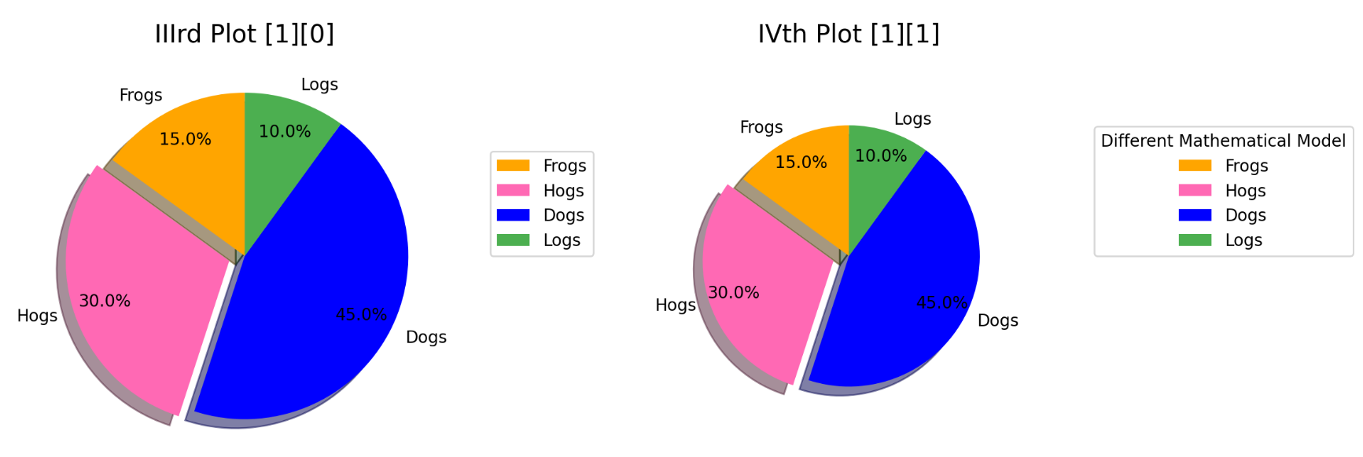

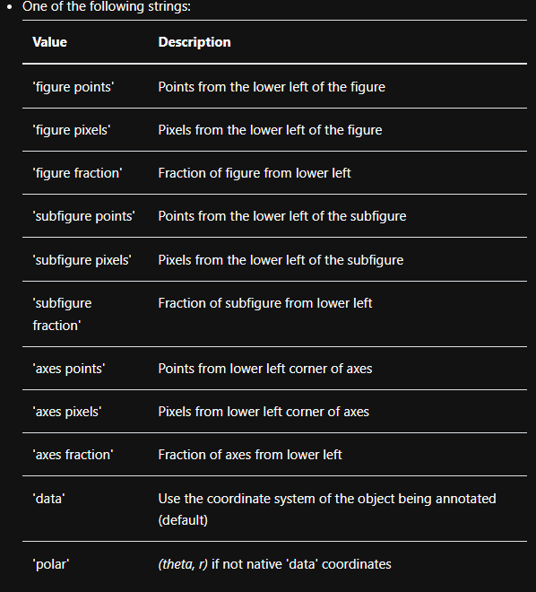 ⇰plt.annotate(text, xy, xytext=None, xycoords='data', textcoords=None, arrowprops=None, annotation_clip=None, **kwargs) →Annotate the point xy with text text.In the simplest form, the text is placed at xy. →Optionally, the text can be displayed in another position xytext. An arrow pointing from the text to the annotated point xy can then be added by defining arrowprops. ❶ text:str →The text of the annotation. ❷ xy:(float, float) →The point (x, y) to annotate. The coordinate system is determined by xy coordinates. ❸xytext:(float, float), default: xy →The position (x, y) to place the text at. The coordinate system is determined by textcoords. ❹xycoords:single or two-tuple of str or Artist or Transform or callable, default: 'data' → | ⇰REFERENCE (Website)-->Matplotlib Regarding Hyper Parameter Annotation

 | ⇰REFERENCE (Website)--> (1.4) Google Colab (Visualization) Matplotlib Advanced Regarding Parameter plt.annotate( )

